Data Charatcerization
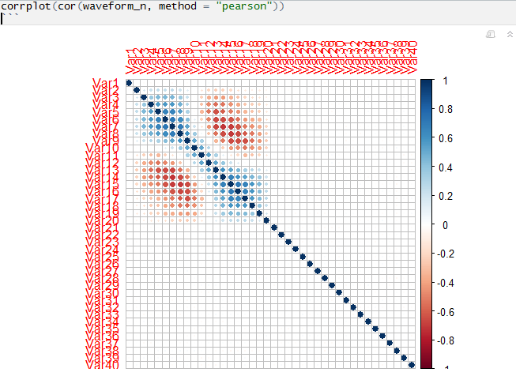
Please fill the following details
Describe the data as you understand in 2-3 lines: | The Waveform Data Set contains the noise records of each instance of waves. Based on the noice entries, the waveforms are categorized
Write the objective in 2-3 lines | To build a learning model to predict and classify the type of waveform based on the noise values of each instance.

Data Dimension | 5000 x 41
# of records | 5000
# of attributes | 41
Type of class attribute | Factor
# of categorical attributes | 1
# of numeric attributes | 40
# of missing values | 0
% missing values | 0
#of attributes with greater than 20% Missing Value | 0
#of rows with greater than 20% Missing Values | 0
#of Levels in Categorical Attribute <Attribute Name> | Waveform.Type; 0,1,2
#of Levels in Taget Variable | Waveform.Type; 0,1,2
#of Correlated Variables (> 70%) | 20
#of near zero variance variables | 0
Is there any Class imbalance in target variable? | No
Proportions of Target Class Levels | 33% each
# of DATE Variables | 0
# of Attributes that can be directly used for model building | 40
# of Attributes that require Feature Engineering | 0
Descriptive Statistics
Attribute name | Average | Median | Standard Deviation | Min value | Max value | # of missing values
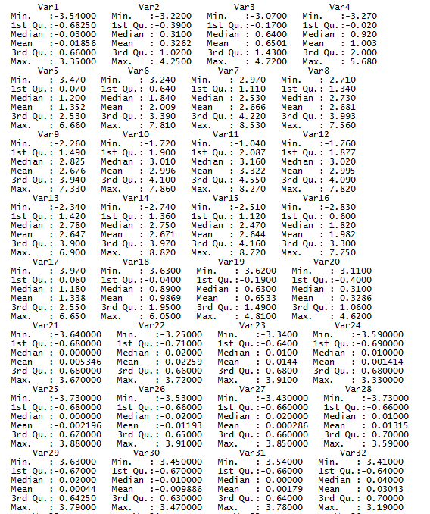

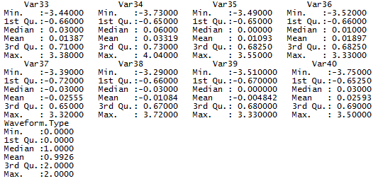

Attribute name | # of unique levels | # of missing values

Correlation matrix of numeric attributes

